HW(1)
Using the picture below, create the gradebook as shown in the picture below. A solution is also shown on the worksheet "HW(1an)".
 |  |  |  |  |  |  |  |  |  |  |  | Total | Extra Credit
 | Max Points | 50 | 50 | 50 | 50 | 50 | 50 | 100 | 75 | 75 | 200 | 750 | 5

 | Student Name | Test 1 | Test 2 | Test 3 | Test 4 | Test 5 | Test 6 | Midterm | Test 6 | Test 7 | Final | Total | % Grade | Decimal Grade | % Grade | Decimal Grade
 | Mohamed Aziz | 50 | 49 | 48 | 49 | 50 | 33 | 82 | 50 | 73 | 175 | 664 | 0.88533333333 | 3.4 | 0.000 | 0
 | Timmy Cartman | 22 | 36 | 41 | 33 | 20 | 48 | 43 | 40 | 31 | 142 | 461 | 0.61466666667 | 1.5 | 0.450 | 0.5
 | Gigi Gabar | 26 | 30 | 10 | 37 | 29 | 14 | 99 | 62 | 0 | 184 | 496 | 0.66133333333 | 1.9 | 0.465 | 0.6
 | Miki Ito | 41 | 39 | 38 | 31 | 37 | 48 | 77 | 74 | 70 | 192 | 652 | 0.86933333333 | 3.2 | 0.480 | 0.7
 | Shinnay Mims | 46 | 45 | 41 | 45 | 49 | 50 | 85 | 75 | 75 | 182 | 698 | 0.93066666667 | 3.7 | 0.495 | 0.8
 | Kenny Noline | 46 | 48 | 46 | 50 | 48 | 44 | 99 | 70 | 68 | 191 | 715 | 0.95333333333 | 3.8 | 0.510 | 0.9
 | Lin Pham | 15 | 29 | 22 | 31 | 37 | 11 | 55 | 42 | 36 | 87 | 370 | 0.49333333333 | 0.7 | 0.525 | 1
 | Dean Washington | 48 | 49 | 48 | 45 | 43 | 45 | 98 | 71 | 69 | 195 | 716 | 0.95466666667 | 3.8 | 0.540 | 1.1
 | Average | 37 | 41 | 37 | 40 | 39 | 37 | 80 | 61 | 53 | 169 | 596.5 | 0.79533333333 | 2.75 | 0.555 | 1.2
 |  |  |  |  |  |  |  |  |  |  |  |  |  |  | 0.570 | 1.3
 |  |  |  |  |  |  |  |  |  |  |  |  |  |  | 0.585 | 1.4
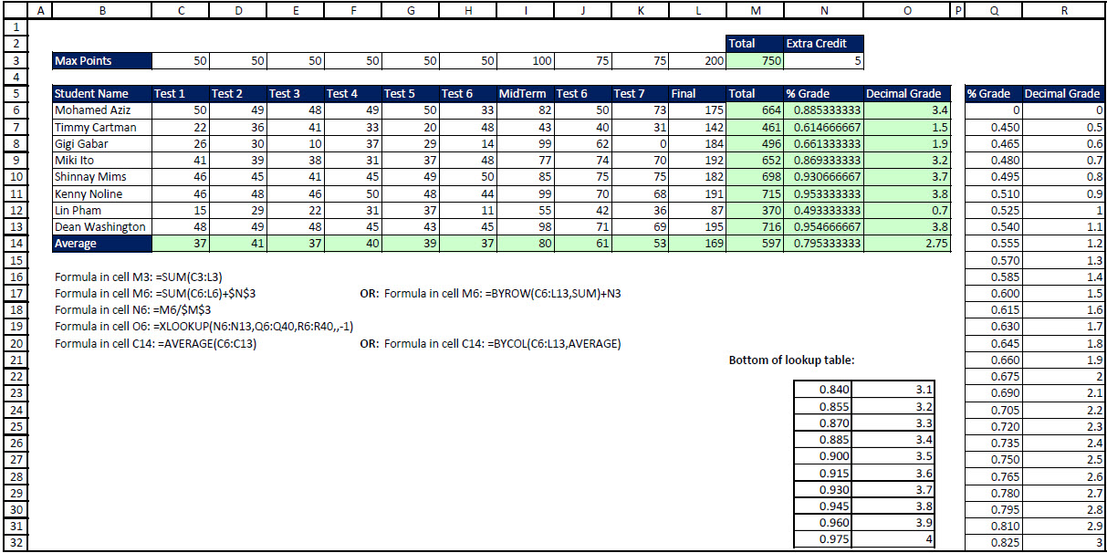
 |  |  |  |  |  |  |  |  |  |  |  |  |  |  | 0.600 | 1.5
 |  |  |  |  |  |  |  |  |  |  |  |  |  |  | 0.615 | 1.6
 |  |  |  |  |  |  |  |  |  |  |  |  |  |  | 0.630 | 1.7
 |  |  |  |  |  |  |  |  |  |  |  |  |  |  | 0.645 | 1.8
 |  |  |  |  |  |  |  |  |  |  |  |  |  |  | 0.660 | 1.9
 |  |  |  |  |  |  |  |  |  |  |  |  |  |  | 0.675 | 2
 |  |  |  |  |  |  |  |  |  |  |  |  |  |  | 0.690 | 2.1
 |  |  |  |  |  |  |  |  |  |  |  |  |  |  | 0.705 | 2.2
 |  |  |  |  |  |  |  |  |  |  |  |  |  |  | 0.720 | 2.3
 |  |  |  |  |  |  |  |  |  |  |  |  |  |  | 0.735 | 2.4
 |  |  |  |  |  |  |  |  |  |  |  |  |  |  | 0.750 | 2.5
 |  |  |  |  |  |  |  |  |  |  |  |  |  |  | 0.765 | 2.6
 |  |  |  |  |  |  |  |  |  |  |  |  |  |  | 0.780 | 2.7
 |  |  |  |  |  |  |  |  |  |  |  |  |  |  | 0.795 | 2.8
 |  |  |  |  |  |  |  |  |  |  |  |  |  |  | 0.810 | 2.9
 |  |  |  |  |  |  |  |  |  |  |  |  |  |  | 0.825 | 3
 |  |  |  |  |  |  |  |  |  |  |  |  |  |  | 0.840 | 3.1
 |  |  |  |  |  |  |  |  |  |  |  |  |  |  | 0.855 | 3.2
 |  |  |  |  |  |  |  |  |  |  |  |  |  |  | 0.870 | 3.3
 |  |  |  |  |  |  |  |  |  |  |  |  |  |  | 0.885 | 3.4
 |  |  |  |  |  |  |  |  |  |  |  |  |  |  | 0.900 | 3.5
 |  |  |  |  |  |  |  |  |  |  |  |  |  |  | 0.915 | 3.6
 |  |  |  |  |  |  |  |  |  |  |  |  |  |  | 0.930 | 3.7
 |  |  |  |  |  |  |  |  |  |  |  |  |  |  | 0.945 | 3.8
 |  |  |  |  |  |  |  |  |  |  |  |  |  |  | 0.960 | 3.9
 |  |  |  |  |  |  |  |  |  |  |  |  |  |  | 0.975 | 4

